SHA OUT
SHA Surcharges for outbound

SHA OUTBOUND
Charge item | Charge item-报备 | PP/CC | GP/HC |  |  | DG/TK |  | FR/OT |  | RF |  | Remark
 |  |  | 20' | 40'GP/HC | 45HC | 20' | 40' | 20' | 40' | 20' | 40'
CHN THC | O.THC | PP | CNY 640.00 | CNY 990.00 | CNY 1,320.00 | CNY 760.00 | CNY 1,180.00 | CNY 760.00 | CNY 1,180.00 | CNY 760.00 | CNY 1,180.00 | 东南亚线、澳洲线/香港，Effective 20th/Apr./2019
CHN THC | O.THC | PP | CNY 825.00 | CNY 1,225.00 | CNY 1,400.00 | CNY 925.00 | CNY 1,400.00 | CNY 925.00 | CNY 1,400.00 | CNY 925.00 | CNY 1,400.00 | 俄罗斯航线
BOOKING CHARGE | O.BC | PP | CNY 166.00 | CNY 244.00 | CNY 454.00 | CNY 286.00 | CNY 454.00 | CNY 286.00 | CNY 454.00 | CNY 286.00 | CNY 454.00 | 东南亚线、澳洲线，Effective fm 1st/Jan./2021
DOC FEE | O.DO | PP | CNY 450 PER B/L |  |  |  |  |  |  |  |  | 东南亚线、澳洲线
TELEX RELEASE | O.TL | PP | CNY 100 PER B/L |  |  |  |  |  |  |  |  | 东南亚线、澳洲线
TELEX RELEASE | O.TL | PP | CNY 200 PER B/L |  |  |  |  |  |  |  |  | 俄罗斯线
AMEND FEE |  | PP | CNY 200 PER B/L
VESSEL CERTIFICATION |  | PP | CNY 50 PER B/L |  |  |  |  |  |  |  |  | 船证费,Effective 20th/Mar./2019
复关费 |  | PP | CNY300/BILL & CNY250/500 PER 20'/40'
费用类型 | GP/HC |  |  |  | OT/FR |  | RF
 | 20GP | 40GP | 40HC | 45HC | 20' | 40' | 20' | 40'
进口/出口 滞期费 | 1～7 DAYS | 1～7 DAYS | 1～7 DAYS | 1～7 DAYS | 1～7 DAYS | 1～7 DAYS | 1～4 DAYS | 1～4 DAYS
 | FREE | FREE | FREE | FREE | FREE | FREE | FREE | FREE
 | 8～14 DAYS | 8～14 DAYS | 8～14 DAYS | 8～14 DAYS | 8～14 DAYS | 8～14 DAYS | 5～10 DAYS | 5～10 DAYS
 | ¥85 | ¥170 | ¥200 | ¥230 | ¥150 | ¥300 | ¥300 | ¥600
 | 15～30 DAYS | 15～30 DAYS | 15～30 DAYS | 15～30 DAYS | 15～20 DAYS | 15～20 DAYS | 11～20 DAYS | 11～20 DAYS
 | ¥170 | ¥340 | ¥400 | ¥460 | ¥300 | ¥600 | ¥500 | ¥1,000
 | 31 DAYS AND AFTER |  |  |  | 21 DAYS AND AFTER |  | 21 DAYS AND AFTER
 | ¥340 | ¥680 | ¥800 | ¥920 | ¥600 | ¥1,200 | ¥900 | ¥1,800
出口退关 滞期费 | NO FREE DAY |  |  |  | NO FREE DAY |  | NO FREE DAY
 | 1～7 DAYS | 1～7 DAYS | 1～7 DAYS | 1～7 DAYS | 1～7 DAYS | 1～7 DAYS | 1～4 DAYS | 1～4 DAYS
 | ¥100 | ¥200 | ¥230 | ¥260 | ¥200 | ¥400 | ¥350 | ¥700
 | 8～21 DAYS | 8～21 DAYS | 8～21 DAYS | 8～21 DAYS | 8～14 DAYS | 8～14 DAYS | 5～10 DAYS | 5～10 DAYS
 | ¥200 | ¥400 | ¥460 | ¥520 | ¥400 | ¥800 | ¥600 | ¥1,200
 | 22 DAYS AND AFTER |  |  |  | 15 DAYS AND AFTER |  | 11 DAYS AND AFTER
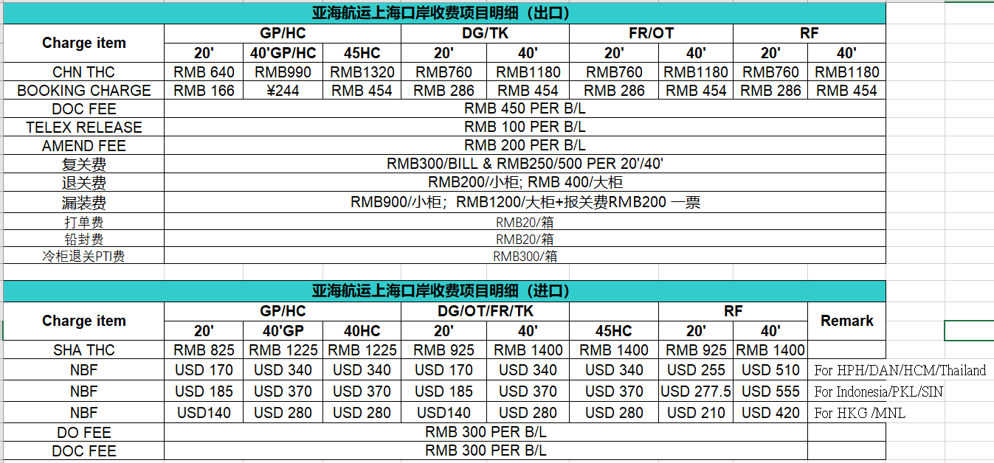
 | ¥400 | ¥800 | ¥920 | ¥1,040 | ¥800 | ¥1,600 | ¥1,000 | ¥2,000
REMARK | 1.进口滞期费用箱期：从船舶靠泊当日(含)起算至空箱还进码头/堆场当日（含）止；
 | 2.出口滞期费用箱期：从出口用箱人提空箱当日（含）起算至重箱装船离泊当日（含）止；
 | 3.出口退关箱滞期费用箱期：从出口用箱人提空箱当日（含）起算至空箱还回码头/堆场当日（含）止，无免费用箱期。
 | 4.计费天数：按日历日计算，不足一日均按一整日计算；
 | 5.滞期费费率表中所列费率为每日的费率。
 | 6.费率表中所标注的用箱期区段所对应的天数均为自然日，每一计费区段及对应的费率不随免费用箱期限的增加而发生顺延。
 | 7.滞期费率中不含码头重箱堆存费及冷箱等费用，码头进/出口重箱堆存费标准及免堆期以码头公布标准为准。
 | 8.本滞期费标准适用口岸：青岛、上海、宁波、天津、大连、厦门、连云港、威海及长江支线各支点

