CSE
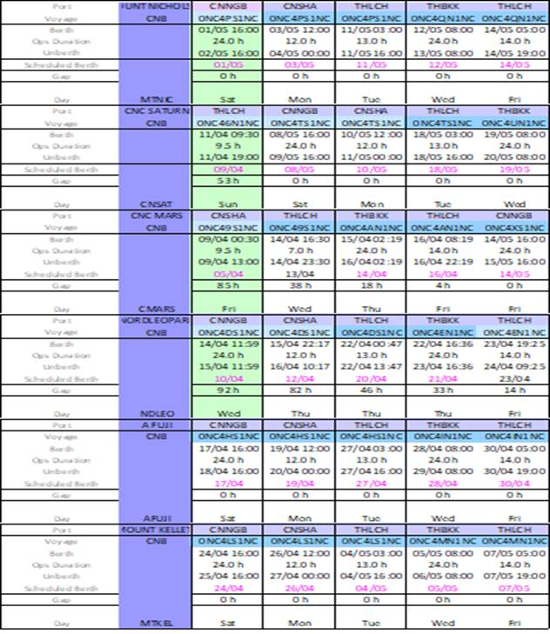

RBC
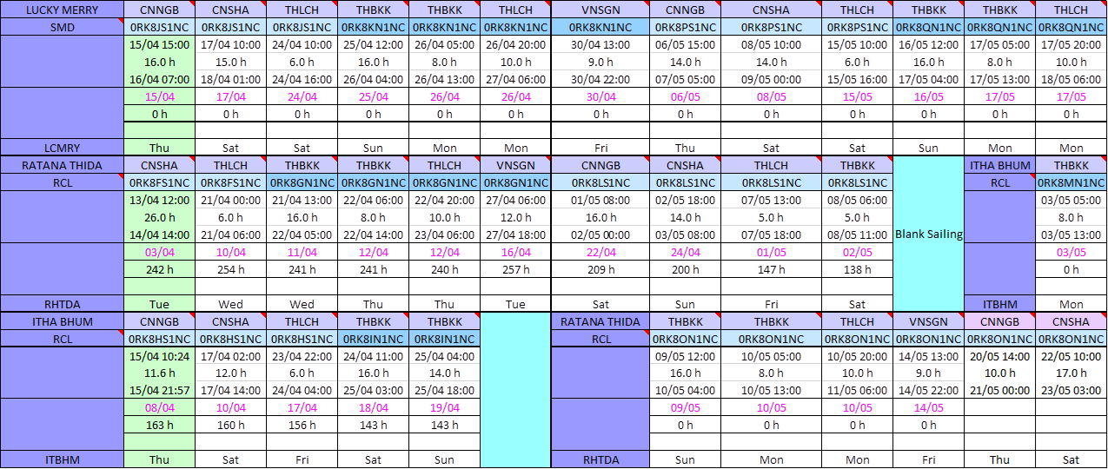

NCX
X-PRESS KAILASH
Port | Terminal | ARR | BERTH | UNBERTH | DEP | Hrs delay @ ETD | Remarks
21003N
Port Klang | MYWSP | 11/04 Sun 21:30 | 12/04 Mon 01:12 | 13/04 Tue 07:00 | 15/04 Thu 01:00 | 106.5
Port Klang | MYPKG-KCT | 11/04 Sun 21:30 | 14/04 Wed 02:00 | 14/04 Wed 23:00 | 15/04 Thu 01:00 | 106.5 | NP Productivity Slow
Singapore | SGSIN | 15/04 Thu 14:00 | 17/04 Sat 17:00 | 18/04 Sun 12:00 | 18/04 Sun 14:00 | 245 | Berth Congestion
Shekou | CNMCT | 22/04 Thu 10:00 | 22/04 Thu 12:00 | 23/04 Fri 05:00 | 23/04 Fri 06:00 | 195
Incheon | KRINC-HCT | OMIT |  |  |  |  | For Schedule Recovery

21004S
Dalian | CNDLC | OMIT |  |  |  |  | For Schedule Recovery
Xingang | CNXNG | 27/04 Tue 02:00 | 27/04 Tue 04:00 | 27/04 Tue 19:00 | 27/04 Tue 20:00 | 121
Qingdao | CNNQC | 29/04 Thu 00:00 | 29/04 Thu 02:00 | 29/04 Thu 18:00 | 29/04 Thu 19:00 | 115
Ningbo | CNBCT | 01/05 Sat 03:00 | 01/05 Sat 05:00 | 01/05 Sat 11:00 | 01/05 Sat 21:00 | 108

21004N
Singapore | SGSIN | OMIT |  |  |  |  | For Schedule Recovery
Port Klang | MYWSP | 07/05 Fri 22:00 | 08/05 Sat 00:00 | 09/05 Sun 05:00 | 09/05 Sun 21:00 | 59
Port Klang | MYPKG-KCT | 07/05 Fri 22:00 | 09/05 Sun 06:00 | 09/05 Sun 20:00 | 09/05 Sun 21:00 | 59
Shekou | CNMCT | 14/05 Fri 03:45 | 14/05 Fri 05:45 | 14/05 Fri 22:45 | 14/05 Fri 23:45 | 44.75
Incheon | KRINC-HCT | 18/05 Tue 05:00 | 18/05 Tue 06:00 | 18/05 Tue 20:00 | 18/05 Tue 21:00 | 32

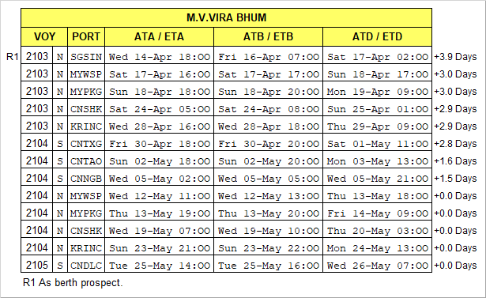

CWX
BARBARA
Port | Terminal | ARR | BERTH | UNBERTH | DEP | Hrs delay @ ETD | Remarks
21002E
Nhava Sheva | INGTI | 01/04 Thu 12:00 | 01/04 Thu 14:18 | 02/04 Fri 07:18 | 02/04 Fri 09:30 | 108
Karachi | PKPIC | 03/04 Sat 13:00 | 03/04 Sat 16:30 | 05/04 Mon 17:36 | 05/04 Mon 18:30 | 92
Mundra | INMUN-AMT | 06/04 Tue 20:00 | 07/04 Wed 17:18 | 08/04 Thu 16:00 | 08/04 Thu 18:00 | 126
Colombo | LKSGT | 12/04 Mon 00:00 | 12/04 Mon 02:00 | 12/04 Mon 20:00 | 12/04 Mon 22:00 | 145
Port Klang | MYPKG-KCT | 16/04 Fri 02:00 | 16/04 Fri 04:00 | 17/04 Sat 00:00 | 17/04 Sat 01:45 | 137
Hong Kong | HKHIT | OMIT

21003W
Shanghai | CNSHA-WQ5 | 23/04 Fri 09:00 | 23/04 Fri 14:00 | 24/04 Sat 12:00 | 24/04 Sat 17:00 | 96
Ningbo | CNNGB-SCT | 25/04 Sun 05:00 | 25/04 Sun 08:00 | 25/04 Sun 22:00 | 26/04 Mon 03:00 | 100
Shekou | CNMCT | 28/04 Wed 04:00 | 28/04 Wed 06:00 | 28/04 Wed 16:00 | 28/04 Wed 18:00 | 100
Singapore | SGSIN | 02/05 Sun 12:00 | 02/05 Sun 14:00 | 03/05 Mon 07:00 | 03/05 Mon 09:00 | 77
Port Klang | MYPKG-KCT | 03/05 Mon 23:00 | 04/05 Tue 01:00 | 04/05 Tue 21:00 | 04/05 Tue 23:00 | 74

21003E
Nhava Sheva | INGTI | 10/05 Mon 19:00 | 10/05 Mon 21:00 | 11/05 Tue 21:00 | 11/05 Tue 23:00 | 43
Karachi | PKPIC | 13/05 Thu 05:00 | 13/05 Thu 07:00 | 15/05 Sat 05:00 | 15/05 Sat 07:00 | 36
Mundra | INMUN-AMT | 15/05 Sat 23:00 | 16/05 Sun 01:00 | 17/05 Mon 01:00 | 17/05 Mon 03:00 | 57
Colombo | LKSGT | 20/05 Thu 09:00 | 20/05 Thu 11:00 | 21/05 Fri 05:00 | 21/05 Fri 07:00 | 58
Port Klang | MYPKG-KCT | 25/05 Tue 00:00 | 25/05 Tue 02:00 | 25/05 Tue 22:00 | 25/05 Tue 23:45 | 63
Hong Kong | HKHIT | 29/05 Sat 16:00 | 29/05 Sat 18:00 | 30/05 Sun 06:00 | 30/05 Sun 08:00 | 34

X-PRESS KILIMANJARO
Port | Terminal | ARR | BERTH | UNBERTH | DEP | Hrs delay @ ETD | Remarks
21002E
Nhava Sheva | INGTI | 12/04 Mon 19:00 | 12/04 Mon 21:00 | 13/04 Tue 21:00 | 13/04 Tue 23:00 | 211
Karachi | PKPIC | 15/04 Thu 06:00 | 15/04 Thu 08:00 | 16/04 Fri 04:00 | 16/04 Fri 06:00 | 205
Mundra | INMUN-AMT | 16/04 Fri 21:00 | 16/04 Fri 23:00 | 17/04 Sat 23:00 | 18/04 Sun 01:00 | 199
Colombo | LKSGT | 21/04 Wed 14:00 | 21/04 Wed 16:00 | 22/04 Thu 10:00 | 22/04 Thu 12:00 | 207
Port Klang | MYPKG-KCT | 26/04 Mon 14:00 | 26/04 Mon 16:00 | 27/04 Tue 12:00 | 27/04 Tue 13:45 | 221
Hong Kong | HKHIT | 02/05 Sun 06:00 | 02/05 Sun 08:00 | 02/05 Sun 20:00 | 02/05 Sun 22:00 | 216
Shanghai | CNSHA-WQ5 | 05/05 Wed 22:00 | 06/05 Thu 03:00 | 06/05 Thu 19:00 | 06/05 Thu 23:00 | 0 | Phase Out

X-PRESS ODYSSEY
Port | Terminal | ARR | BERTH | UNBERTH | DEP | Hrs delay @ ETD | Remarks
21002W
Shanghai | CNSHA-WQ5 | 10/04 Sat 06:00 | 10/04 Sat 22:30 | 11/04 Sun 11:00 | 11/04 Sun 15:00 | 285
Ningbo | CNNGB-SCT | 11/04 Sun 23:00 | 12/04 Mon 11:00 | 13/04 Tue 01:00 | 13/04 Tue 03:00 | 286
Shekou | CNMCT | 15/04 Thu 01:00 | 15/04 Thu 13:00 | 15/04 Thu 23:00 | 16/04 Fri 02:00 | 289
Singapore | SGSIN | 19/04 Mon 12:00 | 19/04 Mon 14:00 | 20/04 Tue 07:00 | 20/04 Tue 09:00 | 269
Port Klang | MYPKG-KCT | 20/04 Tue 22:00 | 21/04 Wed 00:00 | 21/04 Wed 20:00 | 21/04 Wed 22:00 | 265

21002E
Nhava Sheva | INGTI | 27/04 Tue 05:00 | 27/04 Tue 07:00 | 28/04 Wed 07:00 | 28/04 Wed 09:00 | 221
Karachi | PKPIC | 29/04 Thu 15:00 | 29/04 Thu 17:00 | 30/04 Fri 13:00 | 30/04 Fri 15:00 | 214
Mundra | INMUN-AMT | 01/05 Sat 06:00 | 01/05 Sat 08:00 | 02/05 Sun 08:00 | 02/05 Sun 10:00 | 208
Colombo | LKSGT | 05/05 Wed 08:00 | 05/05 Wed 10:00 | 06/05 Thu 04:00 | 06/05 Thu 06:00 | 201
Port Klang | MYPKG-KCT | 09/05 Sun 16:00 | 09/05 Sun 18:00 | 10/05 Mon 14:00 | 10/05 Mon 15:45 | 199
Hong Kong | HKHIT | 14/05 Fri 13:00 | 14/05 Fri 15:00 | 15/05 Sat 03:00 | 15/05 Sat 05:00 | 175

KOTA LUMBA
Port | Terminal | ARR | BERTH | UNBERTH | DEP | Hrs delay @ ETD | Remarks
2101W
2101E
Nhava Sheva | INGTI | 11/04 Sun 09:30 | 11/04 Sun 11:30 | 12/04 Mon 09:30 | 12/04 Mon 11:30 | 9.5
Karachi | PKPIC | 13/04 Tue 17:00 | 13/04 Tue 19:00 | 14/04 Wed 13:00 | 14/04 Wed 15:00 | 0
Mundra | INMUN-AMT | 15/04 Thu 14:00 | 15/04 Thu 16:00 | 16/04 Fri 14:00 | 16/04 Fri 16:00 | 0
Colombo | LKSGT | 19/04 Mon 23:00 | 20/04 Tue 01:00 | 20/04 Tue 17:00 | 20/04 Tue 19:00 | 0
Port Klang | MYPKG-KCT | 24/04 Sat 09:00 | 24/04 Sat 11:00 | 25/04 Sun 05:00 | 25/04 Sun 07:00 | 0
Hong Kong | HKHIT | 30/04 Fri 06:00 | 30/04 Fri 08:00 | 30/04 Fri 20:00 | 30/04 Fri 22:00 | 0

2102W
Shanghai | CNSHA-WQ5 | 03/05 Mon 09:00 | 03/05 Mon 14:00 | 04/05 Tue 12:00 | 04/05 Tue 17:00 | 0

