RBC
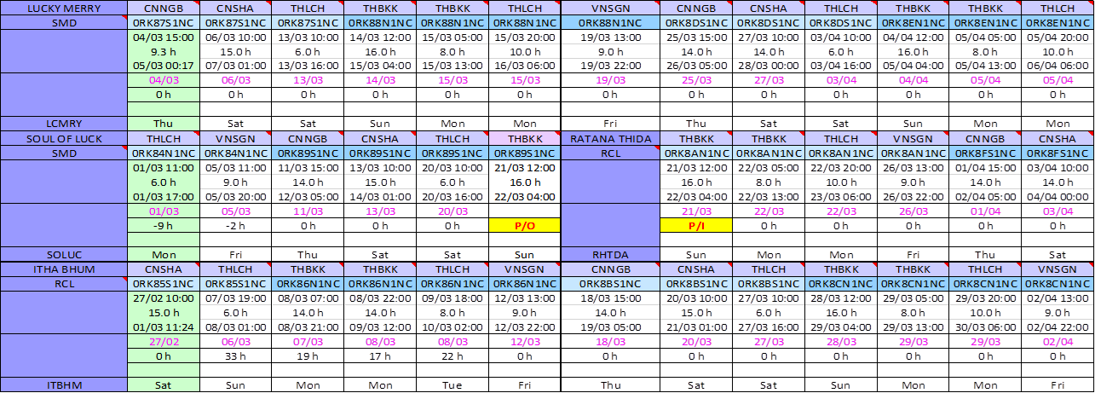

NCX
Due to serious port congestion at both Shekou and Dalian, X-Press Kailash will omit Singapore on V.21002 and Dalian on V.21003 for schedule recovery.
X-PRESS KAILASH
Port | Terminal | ARR | BERTH | UNBERTH | DEP | Hrs delay @ ETD | Remarks
21002S
Dalian | CNDLC | 26/02 Fri 11:00 | 26/02 Fri 13:06 | 27/02 Sat 03:24 | 27/02 Sat 04:30 | 1900-03-09
Xingang | CNXNG | 01/03 Mon 01:00 | 01/03 Mon 11:30 | 02/03 Tue 04:30 | 02/03 Tue 05:00 | 1900-04-15 | Berth Congestion
Qingdao | CNNQC | 03/03 Wed 15:00 | 03/03 Wed 17:00 | 04/03 Thu 09:00 | 04/03 Thu 10:00 | 1900-04-15
Ningbo | CNBCT | 06/03 Sat 01:00 | 06/03 Sat 03:00 | 06/03 Sat 18:00 | 06/03 Sat 19:00 | 1900-04-15

21002N
Singapore | SGSIN | OMIT |  |  |  |  | For Schedule Recovery
Port Klang | MYWSP | 13/03 Sat 00:00 | 13/03 Sat 02:00 | 14/03 Sun 07:00 | 14/03 Sun 23:00 | 1900-03-01
Port Klang | MYPKG-KCT | 13/03 Sat 00:00 | 14/03 Sun 08:00 | 14/03 Sun 22:00 | 14/03 Sun 23:00 | 1900-03-01
Shekou | CNMCT | 19/03 Fri 02:00 | 19/03 Fri 04:00 | 19/03 Fri 21:00 | 19/03 Fri 22:00 | 1900-02-12
Incheon | KRINC-HCT | 23/03 Tue 10:00 | 23/03 Tue 11:00 | 24/03 Wed 01:00 | 24/03 Wed 02:00 | 1900-02-06

21003S
Dalian | CNDLC | OMIT |  |  |  |  | For Schedule Recovery
Xingang | CNXNG | 25/03 Thu 15:00 | 25/03 Thu 17:00 | 26/03 Fri 08:00 | 26/03 Fri 09:00 | 1900-01-14
Qingdao | CNNQC | 27/03 Sat 17:00 | 27/03 Sat 19:00 | 28/03 Sun 11:00 | 28/03 Sun 12:00 | 1900-01-12
Ningbo | CNBCT | 30/03 Tue 00:00 | 30/03 Tue 02:00 | 30/03 Tue 08:00 | 30/03 Tue 18:00 | 1900-01-09

21003N
Singapore | SGSIN | 05/04 Mon 14:00 | 05/04 Mon 15:00 | 06/04 Tue 08:00 | 06/04 Tue 09:00 | 1900-01-05
Port Klang | MYWSP | 07/04 Wed 11:00 | 07/04 Wed 13:00 | 08/04 Thu 18:00 | 09/04 Fri 10:00 | 0 | Schedule Recovered
Port Klang | MYPKG-KCT | 07/04 Wed 11:00 | 08/04 Thu 19:00 | 09/04 Fri 09:00 | 09/04 Fri 10:00 | 0
Shekou | CNMCT | 14/04 Wed 07:00 | 14/04 Wed 09:00 | 15/04 Thu 02:00 | 15/04 Thu 03:00 | 0
Incheon | KRINC-HCT | 18/04 Sun 21:00 | 18/04 Sun 22:00 | 19/04 Mon 12:00 | 19/04 Mon 13:00 | 0

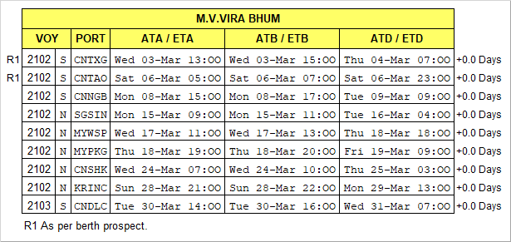

 |  |  | SITC SURABAYA
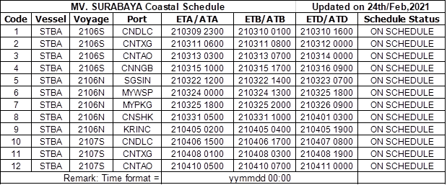

CWX
