HHX1,2,CHINA-1
 |  | 亚 海 航 运 有 限 公 司
MOC-ML00252 |  | ASEAN SEAS LINE CO., LIMITED
 |  |  |  |  |  |  | 2020-10-27
HHX1 MV."HE JIN" V 2022W/E
PORT | ETA |  | ETB |  | ETD |  | Remark | Delay y/n
SHA/2022W | 2020-10-22 | 12:24:00 | 2020-10-22 | 15:56:00 | 2020-10-22 | 23:37:00 | P/I at SHA
NGB/2022W | 2020-10-23 | 12:00:00 | 2020-10-24 | 0:06:00 | 2020-10-24 | 7:09:00
XMN/2022W | 2020-10-25 | 13:30:00 | 2020-10-25 | 15:10:00 | 2020-10-25 | 19:56:00
HKG/2022W | 2020-10-26 | 19:30:00 | 2020-10-26 | 20:33:00 | 2020-10-27 | 13:41:00 | CMCS
SHK/2022W |  |  |  |  |  |  | OMIT
HPH/2022W | 2020-10-29 | 2:00:00 | 2020-10-29 | 11:30:00 | 2020-10-30 | 12:30:00 | Max draft 8.6m
HKG/2022E | 2020-11-01 | 6:00:00 | 2020-11-01 | 7:00:00 | 2020-11-01 | 17:00:00
NGB/2023W | 2020-11-04 | 5:00:00 | 2020-11-04 | 9:00:00 | 2020-11-04 | 22:00:00
SHA/2023W | 2020-11-05 | 11:00:00 | 2020-11-05 | 19:00:00 | 2020-11-06 | 7:00:00
HHX2 MV."PADIAN 2" V 2022W/E
PORT | ETA |  | ETB |  | ETD |  | Remark | Delay y/n
TAO/2022W | 2020-10-24 | 21:48:00 | 2020-10-25 | 11:12:00 | 2020-10-26 | 1:24:00 | delayed due to NO.17 TYPHOON "SAUDEL" & cold air
SHA/2022W | 2020-10-27 | 1:40:00 | 2020-10-27 | 21:30:00 | 2020-10-28 | 8:00:00
HKG/2022W | 2020-10-30 | 17:00:00 | 2020-10-30 | 18:00:00 | 2020-10-31 | 6:00:00
HPH/2022E | 2020-11-01 | 18:00:00 | 2020-11-02 | 1:30:00 | 2020-11-03 | 0:00:00 | Max draft 8.8m
TAO/2023W | 2020-11-07 | 21:00:00 | 2020-11-07 | 22:00:00 | 2020-11-08 | 12:00:00
SHA/2023W | 2020-11-09 | 14:00:00 | 2020-11-09 | 21:00:00 | 2020-11-10 | 9:00:00
HHX2 MV."VICTORY VOYAGER" V 2022W/E
PORT | ETA |  | ETB |  | ETD |  | Remark | Delay y/n
TAO/2022W | 2020-10-17 | 7:54:00 | 2020-10-17 | 15:18:00 | 2020-10-18 | 6:24:00 | delayed due to NO.16 TYPHOON "NANGKA" & cold air
SHA/2022W | 2020-10-19 | 6:00:00 | 2020-10-20 | 14:54:00 | 2020-10-21 | 0:06:00 | port congestion
HKG/2022W | 2020-10-23 | 9:54:00 | 2020-10-23 | 10:50:00 | 2020-10-23 | 22:12:00 | CMCS
HPH/2022W | 2020-10-26 | 7:00:00 | 2020-10-26 | 9:54:00 | 2020-10-27 | 8:42:00 | Max draft 9.4m
TAO/2023W | 2020-11-01 | 4:00:00 | 2020-11-01 | 5:00:00 | 2020-11-01 | 20:00:00
SHA/2023W | 2020-11-02 | 22:00:00 | 2020-11-03 | 5:00:00 | 2020-11-03 | 17:00:00
HHX1 MV."AS FIONA" V 2023W/E
PORT | ETA |  | ETB |  | ETD |  | Remark | Delay y/n
HPH/2022W | 2020-10-26 | 6:32:00 | 2020-10-26 | 9:06:00 | 2020-10-27 | 10:24:00 | Max draft 9.3m
HKG/2022E |  |  |  |  |  |  | OMIT
NGB/2023W | 2020-10-30 | 22:00:00 | 2020-10-31 | 8:00:00 | 2020-10-31 | 22:00:00
SHA/2023W | 2020-11-01 | 11:00:00 | 2020-11-01 | 18:00:00 | 2020-11-02 | 5:00:00
XMN/2023W | 2020-11-04 | 0:00:00 | 2020-11-04 | 1:30:00 | 2020-11-04 | 7:00:00
HKG/2023W | 2020-11-05 | 6:00:00 | 2020-11-05 | 7:00:00 | 2020-11-05 | 19:00:00
SHK/2023W | 2020-11-05 | 20:30:00 | 2020-11-05 | 21:30:00 | 2020-11-06 | 4:00:00
HPH/2023W | 2020-11-07 | 9:00:00 | 2020-11-07 | 11:30:00 | 2020-11-07 | 23:00:00 | Max draft 9.3m
CHINA-1 MV."MORGANA" V 0KRFNW
PORT | ETA |  | ETB |  | ETD |  | Remark | Delay y/n
CNSHA/0KRFNW | 2020-10-20 | 22:00:00 | 2020-10-21 | 14:30:00 | 2020-10-22 | 0:30:00
IDJKT/0KRFOE | 2020-10-29 | 5:00:00 | 2020-10-29 | 8:00:00 | 2020-10-30 | 6:00:00
IDSUB/0KRFOE | 2020-10-31 | 4:00:00 | 2020-10-31 | 7:00:00 | 2020-11-01 | 5:00:00
CHINA-1 MV."SEATTLE C" V 0QA7DS
PORT | ETA |  | ETB |  | ETD |  | Remark | Delay y/n
CNSHA/0QA7DS | 2020-11-14 | 3:00:00 | 2020-11-14 | 7:00:00 | 2020-11-14 | 19:00:00 | P/I
CNNGB/0QA7DS | 2020-11-15 | 10:00:00 | 2020-11-15 | 13:00:00 | 2020-11-16 | 1:00:00
IDJKT/0QA7EN | 2020-11-26 | 3:00:00 | 2020-11-26 | 6:00:00 | 2020-11-27 | 13:00:00
IDSUB/0QA7EN | 2020-11-28 | 11:00:00 | 2020-11-28 | 14:00:00 | 2020-11-29 | 19:00:00
PHMNN/0QA7EN | 2020-12-08 | 15:00:00 | 2020-12-08 | 20:00:00 | 2020-12-09 | 20:00:00
CHINA-1 MV."CMA CGM EIFFEL" V 0QA77S
PORT | ETA |  | ETB |  | ETD |  | Remark | Delay y/n
CNSHA/0QA77S | 2020-10-25 | 14:00:00 | 2020-10-26 | 9:55:00 | 2020-10-27 | 0:42:00
CNNGB/0QA77S | 2020-10-27 | 13:00:00 | 2020-10-27 | 23:55:00 | 2020-10-28 | 11:00:00
IDJKT/0QA78N | 2020-11-05 | 3:00:00 | 2020-11-05 | 6:00:00 | 2020-11-06 | 13:00:00
IDSUB/0QA78N | 2020-11-07 | 11:00:00 | 2020-11-07 | 14:00:00 | 2020-11-08 | 19:00:00
PHMNN/0QA78N | 2020-11-17 | 10:00:00 | 2020-11-17 | 20:00:00 | 2020-11-18 | 20:00:00
...

PJX,QDKS
 |  | 亚 海 航 运 有 限 公 司
MOC-ML00252 |  | ASEAN SEAS LINE CO., LIMITED
 |  |  |  |  |  |  | 2020-10-27
PJX MV."PANJA BHUM" V 2043E/W
PORT | ETA |  | ETB |  | ETD |  | Remark | Delay y/n
TXG/2043E | 2020-10-23 | 22:12:00 | 2020-10-23 | 23:48:00 | 2020-10-24 | 13:24:00
TAO/2043E | 2020-10-25 | 16:24:00 | 2020-10-26 | 3:12:00 | 2020-10-26 | 17:00:00 | port congestion
TYO/2043W | 2020-10-29 | 21:30:00 | 2020-10-29 | 22:30:00 | 2020-10-30 | 5:00:00
YOK/2043W | 2020-10-30 | 6:30:00 | 2020-10-30 | 7:30:00 | 2020-10-30 | 15:00:00
NGO/2043W | 2020-10-31 | 7:00:00 | 2020-10-31 | 8:00:00 | 2020-10-31 | 15:00:00
OSA/2043W | 2020-11-01 | 7:00:00 | 2020-11-01 | 8:00:00 | 2020-11-01 | 12:00:00
KOB/2043W | 2020-11-01 | 13:00:00 | 2020-11-01 | 13:30:00 | 2020-11-01 | 16:30:00
TXG/2045E | 2020-11-05 | 9:00:00 | 2020-11-05 | 11:00:00 | 2020-11-05 | 23:00:00
TAO/2045E | 2020-11-07 | 6:00:00 | 2020-11-07 | 7:00:00 | 2020-11-07 | 22:00:00
PJX MV."OTANA BHUM" V 2044E/W
PORT | ETA |  | ETB |  | ETD |  | Remark | Delay y/n
TXG/2044E | 2020-10-29 | 13:00:00 | 2020-10-29 | 15:00:00 | 2020-10-30 | 3:00:00
TAO/2044E | 2020-10-31 | 8:00:00 | 2020-10-31 | 9:00:00 | 2020-10-31 | 23:00:00
TYO/2044W | 2020-11-04 | 6:00:00 | 2020-11-04 | 7:00:00 | 2020-11-04 | 18:00:00
YOK/2044W | 2020-11-04 | 19:30:00 | 2020-11-04 | 20:00:00 | 2020-11-05 | 5:00:00
NGO/2044W | 2020-11-05 | 20:00:00 | 2020-11-05 | 21:00:00 | 2020-11-06 | 5:00:00
OSA/2044W | 2020-11-06 | 21:00:00 | 2020-11-06 | 22:00:00 | 2020-11-07 | 6:00:00
KOB/2044W | 2020-11-07 | 7:00:00 | 2020-11-07 | 7:30:00 | 2020-11-07 | 11:00:00
TXG/2046E | 2020-11-12 | 9:00:00 | 2020-11-12 | 11:00:00 | 2020-11-12 | 23:00:00
TAO/2046E | 2020-11-14 | 5:00:00 | 2020-11-14 | 6:00:00 | 2020-11-14 | 20:00:00
QDKS MV."PROSRICH" V 2043E/W
PORT | ETA |  | ETB |  | ETD |  | Remark | Delay y/n
TAO/2043E | 2020-10-23 | 10:00:00 | 2020-10-23 | 15:00:00 | 2020-10-24 | 6:00:00
OSA/2043W | 2020-10-26 | 17:00:00 | 2020-10-26 | 18:00:00 | 2020-10-27 | 6:00:00
KOB/2043W | 2020-10-27 | 7:00:00 | 2020-10-27 | 7:30:00 | 2020-10-27 | 15:00:00
TAO/2044E | 2020-10-30 | 8:00:00 | 2020-10-30 | 16:00:00 | 2020-10-31 | 4:00:00 | calling QQCT phase 3

CSE
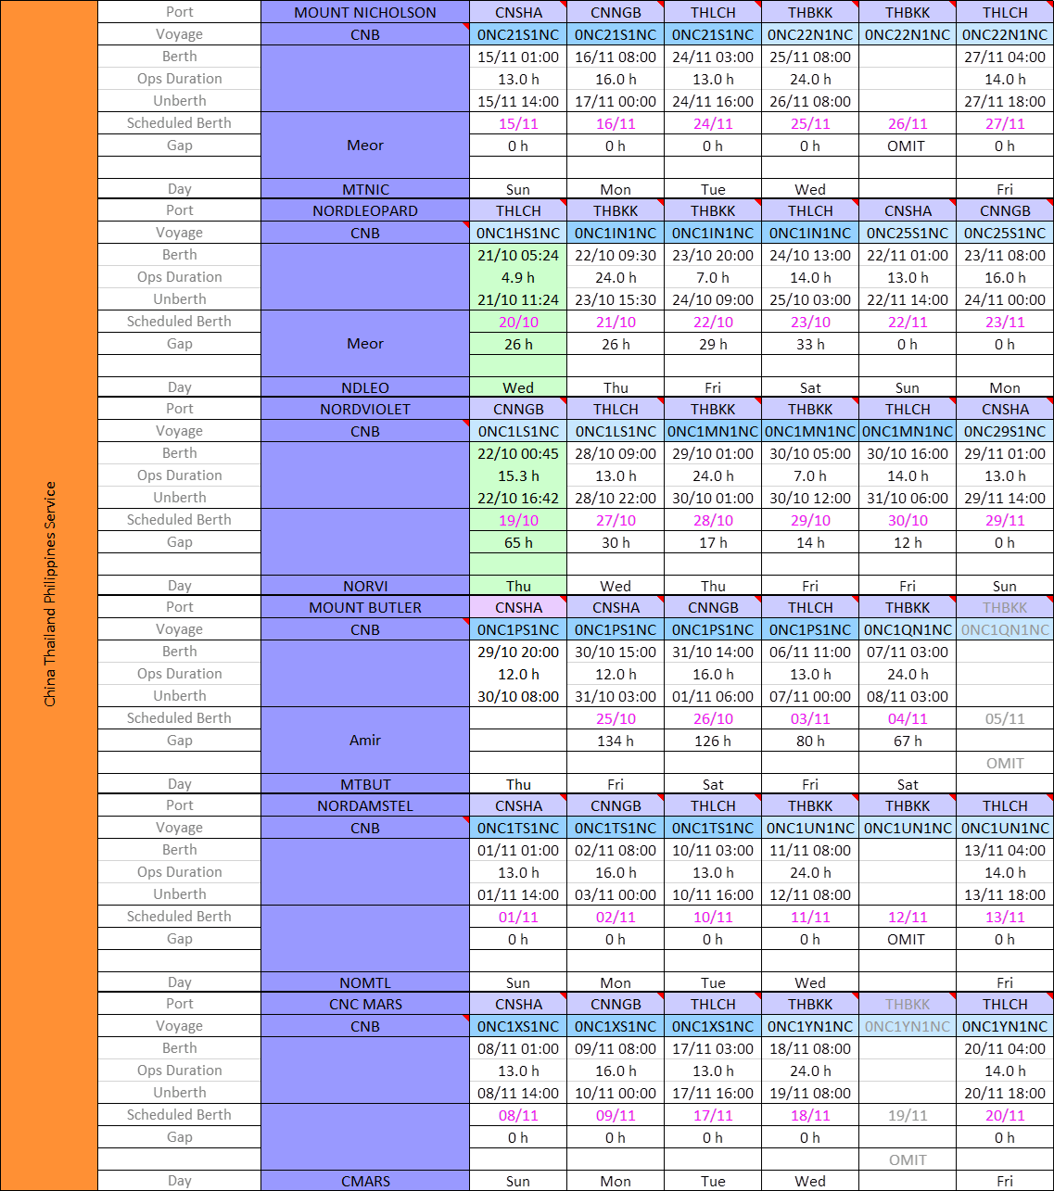

RBC
